DCC Card Example
A 601 |  | Ec 7 |  | Donkey E166 |  | Animation
Insert Picture here |  | 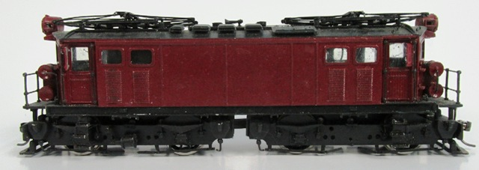 Insert Picture here |  |  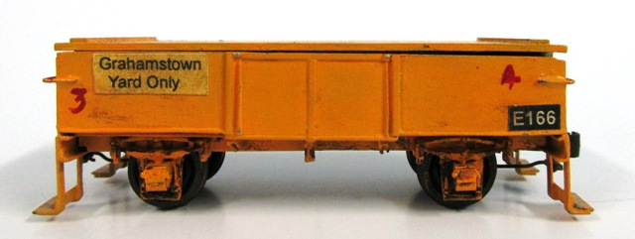 Insert Picture here |  | Insert Picture here
DCC Addr | 601 | DCC Addr | 7 | DCC Addr | 166 | DCC Addr | Switch Addr
Decoder | Lok Sound V3.5 | Decoder | NCE | Decoder | Digitrax TF4 | Decoder
F0 | Head Lights | F0 | Headlights | F1 | Warning Blinkers | 80 T | Loco Shed Doors Open
F1 | Main Beam | F2 | Horn | F3 | Uncoupler "3" | 81 T | Loco Shed Lights
F2 | Whistle |  |  | F4 | Uncoupler "4" | 82 T | Yard Lights
F3 | Short Whistle |  |  |  |  | 25 T | Goods Shed Lights
F4 | Coal Shovel |  |  |  | See TR166 | 26 | Goods Crane
F5 | Shunt Speed
F6 | Shunt with Whistles
F7 | Sound On/Off
F8 | Volume & Mute
A 601 |  | Ec 7 |  | Donkey E166 |  | Animation

